Step 7 - Stoplight Map
Step 7- Stoplight Map
Instructions | Create a map of the marketplace & supply route to the market place. An example of a supply route map is included below. Be sure to include your map in your final report. The point of the map is to give a clear, easy to understand visual of the market and supply routes.
# | Description | Resources
1 | Insert a screenshot/image of your marketplace (make the color in greyscale)​ | Google Maps
2 | Insert icons in relevant areas of your map​ (adapt to your org colours) | Humanitarian icons - Icons - OCHA branding guidelines
3 | Indicate market and supply functionality (with circles/lines)​
4 | Create a legend explaining the significance of the icons​ | 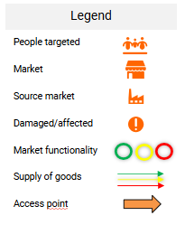
5 | Copy final map into your report ​ | See Step 8 - Stoplight Report
Example:

